Electronics
Major System Components | Number | Cost | Link | Notes | subtotal
 |  | 1052.97 |  |  | 0
Primary Connections |  |  |  |  | 0
PCB Connector Board | 1 | 100 | https://oshwlab.com/neptunya/waveware | See `PCB BOM` For Additional Component Options | 100
Raspberry Pi 4 | 1 | 61.59 | https://www.amazon.com/Raspberry-Model-2019-Quad-Bluetooth/dp/B07TC2BK1X | Be sure to have a microsd card and image with ubuntu and follow these instructions https://ubuntu.com/tutorials/how-to-install-ubuntu-desktop-on-raspberry-pi-4#1-overview | 61.59
120V AC to 5V DC Converter | 1 | 9.98 | https://www.amazon.com/YXQ-100-120V-200-220V-Switch-Converter/dp/B01EYMG3YG | Power Raspberry PCB & Sensors | 9.98
2x20 Ribbon Cables | 1 | 11.74 | https://www.amazon.com/gp/product/B01H53OK5U |  | 11.74
RPI 3.3V Level Shifter | 1 | $28.00 | https://www.amazon.com/Bidirectional-Voltage-Level-Shifter-Raspberry-Converter/dp/B0979BSYCW | Ensure 5V power is connected to 3.3V Side Top Level Power. | $28.00
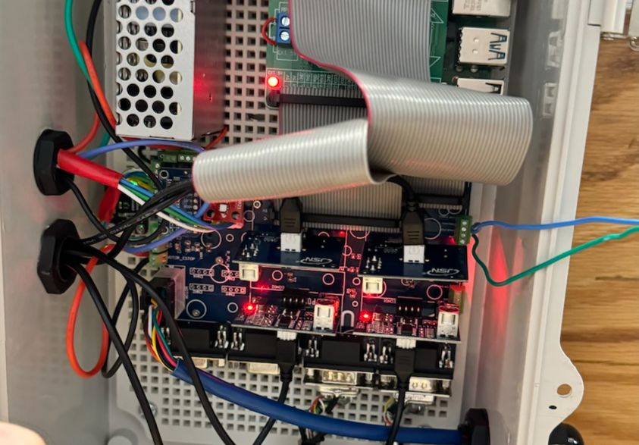
GFCI Power Supply | 1 | $27.89 | https://www.amazon.com/DEWENWILS-Outdoor-Automatic-Extension-Splitter/dp/B08G4HNCR1 | Prevent Electric Shocks | $27.89
 |  |  |  |  | 0
Sensors |  |  |  |  | 0
MPU9250 | 1 | 14.99 | https://www.amazon.com/HiLetgo-Gyroscope-Acceleration-Accelerator-Magnetometer/dp/B01I1J0Z7Y | Capture Acceleration / Gyro & Magnetic Direction Data | 14.99
I2C Extender (LTC4311) | 1 | 9.99 | https://www.amazon.com/gp/product/B09K6VZPLX | Allows very long I2C lines past 1m in length | 9.99
Temp Sensor (Si7021) | 1 | 15.92 | https://www.amazon.com/SparkFun-Humidity-Temperature-Sensor-Breakout/dp/B01FIJ3MP2/ | Record Temperature & Humdiity | 15.92
4CH ADC Sensor (ADS1115) | 1 | 15.99 | https://www.amazon.com/gp/product/B07VPFLSMX | High Accuracy Analog Voltage Measurements CH0 is for actuator feedback | 15.99
Echo Sensors | 2 | $17.49 | https://www.amazon.com/HiLetgo-Integrated-Ultrasonic-Transducer-Waterproof/dp/B07X5H77T7 |  | $34.98
Magnetic Linear Scale (Differential Encoder) | 2 | $30.62 | https://www.aliexpress.us/item/3256802783796885.html | High Precision Waterproof Contactless Displacement Sensor | $61.24
Restive Linear Displacement (for actuator) 0.3m | 1 | $60.31 | https://www.amazon.com/Injection-Electronic-Displacement-Protection-Stainless/dp/B08BZNV7Q3 | IP67 Waterproof / Actuator Feedback | $60.31
 |  |  |  |  | 0
Misc |  |  |  |  | 0
Connection Wire | 1 | $14.98 | https://www.amazon.com/TUOFENG-Electronic-Prototyping-Circuits-Breadboarding/dp/B07TX6BX47 |  | $14.98
2.54mm headers | 1 | $17.99 | https://www.amazon.com/Glarks-Straight-Connector-Assortment-Prototype/dp/B09BDX9L66 | Use to plugin sensor boards | $17.99
2.54mm screw terminals | 1 | $15.49 | https://www.amazon.com/Molence-Terminal-Connector-Terminals-26-18AWG/dp/B09F6TC7RP | More reliable way to connect wires | $15.49
 |  |  |  |  | 0
Housing |  |  |  |  | 0
Waterproof Housing | 0-1 |  | https://a.co/d/dBAQZih | Keep Stuff Dry | #VALUE!
Waterproof Bulkhead Fitting | 0 |  | https://www.amazon.com/Waterproof-Adjustable-Connectors-Plastic-Protectors/dp/B085NVDC3K | No Leaks! | 0
 |  |  |  |  | 0
Motor (Clearpath Shown) |  |  |  |  | 0
Linear Ball-Screw Actuator | 1 | $100 |  | - stroke: 400mm (19") - lead: 5mm (single-start) | $100
Clearpath Motor DC Power Supply | 1 | $200 | https://teknic.com/products/servo-motor-dc-power-supply/ | - 75 VDC / 3 A output - 225 Watts continuous power | $200
Clearpath Motor | 1 | $300 | https://teknic.com/model-info/CPM-MCVC-2331P-RLN/ | CPM-MCVC-2331P-RLN servo-motor - speed: 4000 rpm - torque: 0.40 Nm - power: 184 W (0.25 hp) | $300
Emergency Stop | 1 |  | https://www.amazon.com/Dreyoo-Single-Contact-Electrical-Equipment/dp/B0C9QD72SL | Attach Motor Controller To this | 0
 |  |  |  |  | 0
 |  |  |  |  | 0
 |  |  |  |  | 0
 |  |  |  |  | 0
 |  |  |  |  | 0
 |  |  |  |  | 0
 |  |  |  |  | 0
 |  |  |  |  | 0
 |  |  |  |  | 0
 |  |  |  |  | 0
 |  |  |  |  | 0
 |  |  |  |  | 0
 |  |  |  |  | 0
 |  |  |  |  | 0
 |  |  |  |  | 0
 |  |  |  |  | 0
 |  |  |  |  | 0
 |  |  |  |  | 0
 |  |  |  |  | 0
 |  |  |  |  | 0
 |  |  |  |  | 0
 |  |  |  |  | 0
 |  |  |  |  | 0
 |  |  |  |  | 0
 |  |  |  |  | 0
 |  |  |  |  | 0
 |  |  |  |  | 0
 |  |  |  |  | 0
 |  |  |  |  | 0
 |  |  |  |  | 0
 |  |  |  |  | 0
 |  |  |  |  | 0
 |  |  |  |  | 0
 |  |  |  |  | 0
 |  |  |  |  | 0
 |  |  |  |  | 0
 |  |  |  |  | 0
 |  |  |  |  | 0
 |  |  |  |  | 0
 |  |  |  |  | 0
 |  |  |  |  | 0
 |  |  |  |  | 0
 |  |  |  |  | 0
 |  |  |  |  | 0
 |  |  |  |  | 0
 |  |  |  |  | 0
 |  |  |  |  | 0
 |  |  |  |  | 0
 |  |  |  |  | 0
 |  |  |  |  | 0
 |  |  |  |  | 0
 |  |  |  |  | 0
 |  |  |  |  | 0
 |  |  |  |  | 0
 |  |  |  |  | 0
 |  |  |  |  | 0
 |  |  |  |  | 0
 |  |  |  |  | 0
 |  |  |  |  | 0
 |  |  |  |  | 0
 |  |  |  |  | 0
 |  |  |  |  | 0
 |  |  |  |  | 0
 |  |  |  |  | 0
 |  |  |  |  | 0
 |  |  |  |  | 0
 |  |  |  |  | 0
 |  |  |  |  | 0
 |  |  |  |  | 0
 |  |  |  |  | 0
 |  |  |  |  | 0
 |  |  |  |  | 0
 |  |  |  |  | 0
 |  |  |  |  | 0
 |  |  |  |  | 0
 |  |  |  |  | 0
 |  |  |  |  | 0
 |  |  |  |  | 0
 |  |  |  |  | 0
 |  |  |  |  | 0
 |  |  |  |  | 0
 |  |  |  |  | 0
 |  |  |  |  | 0
 |  |  |  |  | 0
 |  |  |  |  | 0
 |  |  |  |  | 0
 |  |  |  |  | 0
 |  |  |  |  | 0
 |  |  |  |  | 0
 |  |  |  |  | 0
 |  |  |  |  | 0
 |  |  |  |  | 0
 |  |  |  |  | 0
 |  |  |  |  | 0
 |  |  |  |  | 0
 |  |  |  |  | 0
 |  |  |  |  | 0
 |  |  |  |  | 0
 |  |  |  |  | 0
 |  |  |  |  | 0
 |  |  |  |  | 0
 |  |  |  |  | 0
 |  |  |  |  | 0
 |  |  |  |  | 0
 |  |  |  |  | 0
 |  |  |  |  | 0
 |  |  |  |  | 0
 |  |  |  |  | 0
 |  |  |  |  | 0
 |  |  |  |  | 0
 |  |  |  |  | 0
 |  |  |  |  | 0
 |  |  |  |  | 0
 |  |  |  |  | 0
 |  |  |  |  | 0
 |  |  |  |  | 0
 |  |  |  |  | 0
 |  |  |  |  | 0
 |  |  |  |  | 0
 |  |  |  |  | 0
 |  |  |  |  | 0
 |  |  |  |  | 0
 |  |  |  |  | 0
 |  |  |  |  | 0
 |  |  |  |  | 0
 |  |  |  |  | 0
 |  |  |  |  | 0
 |  |  |  |  | 0
 |  |  |  |  | 0
 |  |  |  |  | 0
 |  |  |  |  | 0
 |  |  |  |  | 0
 |  |  |  |  | 0
 |  |  |  |  | 0
 |  |  |  |  | 0
 |  |  |  |  | 0
 |  |  |  |  | 0
 |  |  |  |  | 0
 |  |  |  |  | 0
 |  |  |  |  | 0
 |  |  |  |  | 0
 |  |  |  |  | 0
 |  |  |  |  | 0
 |  |  |  |  | 0
 |  |  |  |  | 0
 |  |  |  |  | 0
 |  |  |  |  | 0
 |  |  |  |  | 0
 |  |  |  |  | 0
 |  |  |  |  | 0
 |  |  |  |  | 0
 |  |  |  |  | 0
 |  |  |  |  | 0
 |  |  |  |  | 0
 |  |  |  |  | 0
 |  |  |  |  | 0
 |  |  |  |  | 0
 |  |  |  |  | 0
 |  |  |  |  | 0
 |  |  |  |  | 0
 |  |  |  |  | 0
 |  |  |  |  | 0
 |  |  |  |  | 0
 |  |  |  |  | 0
 |  |  |  |  | 0
 |  |  |  |  | 0
 |  |  |  |  | 0
 |  |  |  |  | 0
 |  |  |  |  | 0
 |  |  |  |  | 0
 |  |  |  |  | 0
 |  |  |  |  | 0
 |  |  |  |  | 0
 |  |  |  |  | 0
 |  |  |  |  | 0
 |  |  |  |  | 0
 |  |  |  |  | 0
 |  |  |  |  | 0
 |  |  |  |  | 0
 |  |  |  |  | 0
 |  |  |  |  | 0
 |  |  |  |  | 0
 |  |  |  |  | 0
 |  |  |  |  | 0
 |  |  |  |  | 0
 |  |  |  |  | 0
 |  |  |  |  | 0
 |  |  |  |  | 0
 |  |  |  |  | 0
 |  |  |  |  | 0
 |  |  |  |  | 0
 |  |  |  |  | 0
 |  |  |  |  | 0
 |  |  |  |  | 0
 |  |  |  |  | 0
 |  |  |  |  | 0
 |  |  |  |  | 0
 |  |  |  |  | 0
 |  |  |  |  | 0
 |  |  |  |  | 0
 |  |  |  |  | 0
 |  |  |  |  | 0
 |  |  |  |  | 0
 |  |  |  |  | 0
 |  |  |  |  | 0
 |  |  |  |  | 0
 |  |  |  |  | 0
 |  |  |  |  | 0
 |  |  |  |  | 0
 |  |  |  |  | 0
 |  |  |  |  | 0
 |  |  |  |  | 0
 |  |  |  |  | 0
 |  |  |  |  | 0
 |  |  |  |  | 0
 |  |  |  |  | 0
 |  |  |  |  | 0
 |  |  |  |  | 0
 |  |  |  |  | 0
 |  |  |  |  | 0
 |  |  |  |  | 0
 |  |  |  |  | 0
 |  |  |  |  | 0
 |  |  |  |  | 0
 |  |  |  |  | 0
 |  |  |  |  | 0
 |  |  |  |  | 0
 |  |  |  |  | 0
 |  |  |  |  | 0
 |  |  |  |  | 0
 |  |  |  |  | 0
 |  |  |  |  | 0
 |  |  |  |  | 0
 |  |  |  |  | 0
 |  |  |  |  | 0
 |  |  |  |  | 0
 |  |  |  |  | 0
 |  |  |  |  | 0
 |  |  |  |  | 0
 |  |  |  |  | 0
 |  |  |  |  | 0
 |  |  |  |  | 0
 |  |  |  |  | 0
 |  |  |  |  | 0
 |  |  |  |  | 0
 |  |  |  |  | 0
 |  |  |  |  | 0
 |  |  |  |  | 0
 |  |  |  |  | 0
 |  |  |  |  | 0
 |  |  |  |  | 0
 |  |  |  |  | 0
 |  |  |  |  | 0
 |  |  |  |  | 0
 |  |  |  |  | 0
 |  |  |  |  | 0
 |  |  |  |  | 0
 |  |  |  |  | 0
 |  |  |  |  | 0
 |  |  |  |  | 0
 |  |  |  |  | 0
 |  |  |  |  | 0
 |  |  |  |  | 0
 |  |  |  |  | 0
 |  |  |  |  | 0
 |  |  |  |  | 0
 |  |  |  |  | 0
 |  |  |  |  | 0
 |  |  |  |  | 0
 |  |  |  |  | 0
 |  |  |  |  | 0
 |  |  |  |  | 0
 |  |  |  |  | 0
 |  |  |  |  | 0
 |  |  |  |  | 0
 |  |  |  |  | 0
 |  |  |  |  | 0
 |  |  |  |  | 0
 |  |  |  |  | 0
 |  |  |  |  | 0
 |  |  |  |  | 0
 |  |  |  |  | 0
 |  |  |  |  | 0
 |  |  |  |  | 0
 |  |  |  |  | 0
 |  |  |  |  | 0
 |  |  |  |  | 0
 |  |  |  |  | 0
 |  |  |  |  | 0
 |  |  |  |  | 0
 |  |  |  |  | 0
 |  |  |  |  | 0
 |  |  |  |  | 0
 |  |  |  |  | 0
 |  |  |  |  | 0
 |  |  |  |  | 0
 |  |  |  |  | 0
 |  |  |  |  | 0
 |  |  |  |  | 0
 |  |  |  |  | 0
 |  |  |  |  | 0
 |  |  |  |  | 0
 |  |  |  |  | 0
 |  |  |  |  | 0
 |  |  |  |  | 0
 |  |  |  |  | 0
 |  |  |  |  | 0
 |  |  |  |  | 0
 |  |  |  |  | 0
 |  |  |  |  | 0
 |  |  |  |  | 0
 |  |  |  |  | 0
 |  |  |  |  | 0
 |  |  |  |  | 0
 |  |  |  |  | 0
 |  |  |  |  | 0
 |  |  |  |  | 0
 |  |  |  |  | 0
 |  |  |  |  | 0
 |  |  |  |  | 0
 |  |  |  |  | 0
 |  |  |  |  | 0
 |  |  |  |  | 0
 |  |  |  |  | 0
 |  |  |  |  | 0
 |  |  |  |  | 0
 |  |  |  |  | 0
 |  |  |  |  | 0
 |  |  |  |  | 0
 |  |  |  |  | 0
 |  |  |  |  | 0
 |  |  |  |  | 0
 |  |  |  |  | 0
 |  |  |  |  | 0
 |  |  |  |  | 0
 |  |  |  |  | 0
 |  |  |  |  | 0
 |  |  |  |  | 0
 |  |  |  |  | 0
 |  |  |  |  | 0
 |  |  |  |  | 0
 |  |  |  |  | 0
 |  |  |  |  | 0
 |  |  |  |  | 0
 |  |  |  |  | 0
 |  |  |  |  | 0
 |  |  |  |  | 0
 |  |  |  |  | 0
 |  |  |  |  | 0
 |  |  |  |  | 0
 |  |  |  |  | 0
 |  |  |  |  | 0
 |  |  |  |  | 0
 |  |  |  |  | 0
 |  |  |  |  | 0
 |  |  |  |  | 0
 |  |  |  |  | 0
 |  |  |  |  | 0
 |  |  |  |  | 0
 |  |  |  |  | 0
 |  |  |  |  | 0
 |  |  |  |  | 0
 |  |  |  |  | 0
 |  |  |  |  | 0
 |  |  |  |  | 0
 |  |  |  |  | 0
 |  |  |  |  | 0
 |  |  |  |  | 0
 |  |  |  |  | 0
 |  |  |  |  | 0
 |  |  |  |  | 0
 |  |  |  |  | 0
 |  |  |  |  | 0
 |  |  |  |  | 0
 |  |  |  |  | 0
 |  |  |  |  | 0
 |  |  |  |  | 0
 |  |  |  |  | 0
 |  |  |  |  | 0
 |  |  |  |  | 0
 |  |  |  |  | 0
 |  |  |  |  | 0
 |  |  |  |  | 0
 |  |  |  |  | 0
 |  |  |  |  | 0
 |  |  |  |  | 0
 |  |  |  |  | 0
 |  |  |  |  | 0
 |  |  |  |  | 0
 |  |  |  |  | 0
 |  |  |  |  | 0
 |  |  |  |  | 0
 |  |  |  |  | 0
 |  |  |  |  | 0
 |  |  |  |  | 0
 |  |  |  |  | 0
 |  |  |  |  | 0
 |  |  |  |  | 0
 |  |  |  |  | 0
 |  |  |  |  | 0
 |  |  |  |  | 0
 |  |  |  |  | 0
 |  |  |  |  | 0
 |  |  |  |  | 0
 |  |  |  |  | 0
 |  |  |  |  | 0
 |  |  |  |  | 0
 |  |  |  |  | 0
 |  |  |  |  | 0
 |  |  |  |  | 0
 |  |  |  |  | 0
 |  |  |  |  | 0
 |  |  |  |  | 0
 |  |  |  |  | 0
 |  |  |  |  | 0
 |  |  |  |  | 0
 |  |  |  |  | 0
 |  |  |  |  | 0
 |  |  |  |  | 0
 |  |  |  |  | 0
 |  |  |  |  | 0
 |  |  |  |  | 0
 |  |  |  |  | 0
 |  |  |  |  | 0
 |  |  |  |  | 0
 |  |  |  |  | 0
 |  |  |  |  | 0
 |  |  |  |  | 0
 |  |  |  |  | 0
 |  |  |  |  | 0
 |  |  |  |  | 0
 |  |  |  |  | 0
 |  |  |  |  | 0
 |  |  |  |  | 0
 |  |  |  |  | 0
 |  |  |  |  | 0
 |  |  |  |  | 0
 |  |  |  |  | 0
 |  |  |  |  | 0
 |  |  |  |  | 0
 |  |  |  |  | 0
 |  |  |  |  | 0
 |  |  |  |  | 0
 |  |  |  |  | 0
 |  |  |  |  | 0
 |  |  |  |  | 0
 |  |  |  |  | 0
 |  |  |  |  | 0
 |  |  |  |  | 0
 |  |  |  |  | 0
 |  |  |  |  | 0
 |  |  |  |  | 0
 |  |  |  |  | 0
 |  |  |  |  | 0
 |  |  |  |  | 0
 |  |  |  |  | 0
 |  |  |  |  | 0
 |  |  |  |  | 0
 |  |  |  |  | 0
 |  |  |  |  | 0
 |  |  |  |  | 0
 |  |  |  |  | 0
 |  |  |  |  | 0
 |  |  |  |  | 0
 |  |  |  |  | 0
 |  |  |  |  | 0
 |  |  |  |  | 0
 |  |  |  |  | 0
 |  |  |  |  | 0
 |  |  |  |  | 0
 |  |  |  |  | 0
 |  |  |  |  | 0
 |  |  |  |  | 0
 |  |  |  |  | 0
 |  |  |  |  | 0
 |  |  |  |  | 0
 |  |  |  |  | 0
 |  |  |  |  | 0
 |  |  |  |  | 0
 |  |  |  |  | 0
 |  |  |  |  | 0
 |  |  |  |  | 0
 |  |  |  |  | 0
 |  |  |  |  | 0
 |  |  |  |  | 0
 |  |  |  |  | 0
 |  |  |  |  | 0
 |  |  |  |  | 0
 |  |  |  |  | 0
 |  |  |  |  | 0
 |  |  |  |  | 0
 |  |  |  |  | 0
 |  |  |  |  | 0
 |  |  |  |  | 0
 |  |  |  |  | 0
 |  |  |  |  | 0
 |  |  |  |  | 0
 |  |  |  |  | 0
 |  |  |  |  | 0
 |  |  |  |  | 0
 |  |  |  |  | 0
 |  |  |  |  | 0
 |  |  |  |  | 0
 |  |  |  |  | 0
 |  |  |  |  | 0
 |  |  |  |  | 0
 |  |  |  |  | 0
 |  |  |  |  | 0
 |  |  |  |  | 0
 |  |  |  |  | 0
 |  |  |  |  | 0
 |  |  |  |  | 0
 |  |  |  |  | 0
 |  |  |  |  | 0
 |  |  |  |  | 0
 |  |  |  |  | 0
 |  |  |  |  | 0
 |  |  |  |  | 0
 |  |  |  |  | 0
 |  |  |  |  | 0
 |  |  |  |  | 0
 |  |  |  |  | 0
 |  |  |  |  | 0
 |  |  |  |  | 0
 |  |  |  |  | 0
 |  |  |  |  | 0
 |  |  |  |  | 0
 |  |  |  |  | 0
 |  |  |  |  | 0
 |  |  |  |  | 0
 |  |  |  |  | 0
 |  |  |  |  | 0
 |  |  |  |  | 0
 |  |  |  |  | 0
 |  |  |  |  | 0
 |  |  |  |  | 0
 |  |  |  |  | 0
 |  |  |  |  | 0
 |  |  |  |  | 0
 |  |  |  |  | 0
 |  |  |  |  | 0
 |  |  |  |  | 0
 |  |  |  |  | 0
 |  |  |  |  | 0
 |  |  |  |  | 0
 |  |  |  |  | 0
 |  |  |  |  | 0
 |  |  |  |  | 0
 |  |  |  |  | 0
 |  |  |  |  | 0
 |  |  |  |  | 0
 |  |  |  |  | 0
 |  |  |  |  | 0
 |  |  |  |  | 0
 |  |  |  |  | 0
 |  |  |  |  | 0
 |  |  |  |  | 0
 |  |  |  |  | 0
 |  |  |  |  | 0
 |  |  |  |  | 0
 |  |  |  |  | 0
 |  |  |  |  | 0
 |  |  |  |  | 0
 |  |  |  |  | 0
 |  |  |  |  | 0
 |  |  |  |  | 0
 |  |  |  |  | 0
 |  |  |  |  | 0
 |  |  |  |  | 0
 |  |  |  |  | 0
 |  |  |  |  | 0
 |  |  |  |  | 0
 |  |  |  |  | 0
 |  |  |  |  | 0
 |  |  |  |  | 0
 |  |  |  |  | 0
 |  |  |  |  | 0
 |  |  |  |  | 0
 |  |  |  |  | 0
 |  |  |  |  | 0
 |  |  |  |  | 0
 |  |  |  |  | 0
 |  |  |  |  | 0
 |  |  |  |  | 0
 |  |  |  |  | 0
 |  |  |  |  | 0
 |  |  |  |  | 0
 |  |  |  |  | 0
 |  |  |  |  | 0
 |  |  |  |  | 0
 |  |  |  |  | 0
 |  |  |  |  | 0
 |  |  |  |  | 0
 |  |  |  |  | 0
 |  |  |  |  | 0
 |  |  |  |  | 0
 |  |  |  |  | 0
 |  |  |  |  | 0
 |  |  |  |  | 0
 |  |  |  |  | 0
 |  |  |  |  | 0
 |  |  |  |  | 0
 |  |  |  |  | 0
 |  |  |  |  | 0
 |  |  |  |  | 0
 |  |  |  |  | 0
 |  |  |  |  | 0
 |  |  |  |  | 0
 |  |  |  |  | 0
 |  |  |  |  | 0
 |  |  |  |  | 0
 |  |  |  |  | 0
 |  |  |  |  | 0
 |  |  |  |  | 0
 |  |  |  |  | 0
 |  |  |  |  | 0
 |  |  |  |  | 0
 |  |  |  |  | 0
 |  |  |  |  | 0
 |  |  |  |  | 0
 |  |  |  |  | 0
 |  |  |  |  | 0
 |  |  |  |  | 0
 |  |  |  |  | 0
 |  |  |  |  | 0
 |  |  |  |  | 0
 |  |  |  |  | 0
 |  |  |  |  | 0
 |  |  |  |  | 0
 |  |  |  |  | 0
 |  |  |  |  | 0
 |  |  |  |  | 0
 |  |  |  |  | 0
 |  |  |  |  | 0
 |  |  |  |  | 0
 |  |  |  |  | 0
 |  |  |  |  | 0
 |  |  |  |  | 0
 |  |  |  |  | 0
 |  |  |  |  | 0
 |  |  |  |  | 0
 |  |  |  |  | 0
 |  |  |  |  | 0
 |  |  |  |  | 0
 |  |  |  |  | 0
 |  |  |  |  | 0
 |  |  |  |  | 0
 |  |  |  |  | 0
 |  |  |  |  | 0
 |  |  |  |  | 0
 |  |  |  |  | 0
 |  |  |  |  | 0
 |  |  |  |  | 0
 |  |  |  |  | 0
 |  |  |  |  | 0
 |  |  |  |  | 0
 |  |  |  |  | 0
 |  |  |  |  | 0
 |  |  |  |  | 0
 |  |  |  |  | 0
 |  |  |  |  | 0
 |  |  |  |  | 0
 |  |  |  |  | 0
 |  |  |  |  | 0
 |  |  |  |  | 0
 |  |  |  |  | 0
 |  |  |  |  | 0
 |  |  |  |  | 0
 |  |  |  |  | 0
 |  |  |  |  | 0
 |  |  |  |  | 0
 |  |  |  |  | 0
 |  |  |  |  | 0
 |  |  |  |  | 0
 |  |  |  |  | 0
 |  |  |  |  | 0
 |  |  |  |  | 0
 |  |  |  |  | 0
 |  |  |  |  | 0
 |  |  |  |  | 0
 |  |  |  |  | 0
 |  |  |  |  | 0
 |  |  |  |  | 0
 |  |  |  |  | 0
 |  |  |  |  | 0
 |  |  |  |  | 0
 |  |  |  |  | 0
 |  |  |  |  | 0
 |  |  |  |  | 0
 |  |  |  |  | 0
 |  |  |  |  | 0
 |  |  |  |  | 0
 |  |  |  |  | 0
 |  |  |  |  | 0
 |  |  |  |  | 0
 |  |  |  |  | 0
 |  |  |  |  | 0
 |  |  |  |  | 0
 |  |  |  |  | 0
 |  |  |  |  | 0
 |  |  |  |  | 0
 |  |  |  |  | 0
 |  |  |  |  | 0
 |  |  |  |  | 0
 |  |  |  |  | 0
 |  |  |  |  | 0
 |  |  |  |  | 0
 |  |  |  |  | 0
 |  |  |  |  | 0
 |  |  |  |  | 0
 |  |  |  |  | 0
 |  |  |  |  | 0
 |  |  |  |  | 0
 |  |  |  |  | 0
 |  |  |  |  | 0
 |  |  |  |  | 0
 |  |  |  |  | 0
 |  |  |  |  | 0
 |  |  |  |  | 0
 |  |  |  |  | 0
 |  |  |  |  | 0
 |  |  |  |  | 0
 |  |  |  |  | 0
 |  |  |  |  | 0
 |  |  |  |  | 0
 |  |  |  |  | 0
 |  |  |  |  | 0
 |  |  |  |  | 0
 |  |  |  |  | 0
 |  |  |  |  | 0
 |  |  |  |  | 0
 |  |  |  |  | 0
 |  |  |  |  | 0
 |  |  |  |  | 0
 |  |  |  |  | 0
 |  |  |  |  | 0
 |  |  |  |  | 0
 |  |  |  |  | 0
 |  |  |  |  | 0
 |  |  |  |  | 0
 |  |  |  |  | 0
 |  |  |  |  | 0
 |  |  |  |  | 0
 |  |  |  |  | 0
 |  |  |  |  | 0
 |  |  |  |  | 0
 |  |  |  |  | 0
 |  |  |  |  | 0
 |  |  |  |  | 0
 |  |  |  |  | 0
 |  |  |  |  | 0
 |  |  |  |  | 0
 |  |  |  |  | 0
 |  |  |  |  | 0
 |  |  |  |  | 0
 |  |  |  |  | 0
 |  |  |  |  | 0
 |  |  |  |  | 0
 |  |  |  |  | 0
 |  |  |  |  | 0
 |  |  |  |  | 0
 |  |  |  |  | 0
 |  |  |  |  | 0
 |  |  |  |  | 0
 |  |  |  |  | 0
 |  |  |  |  | 0
 |  |  |  |  | 0
 |  |  |  |  | 0
 |  |  |  |  | 0
 |  |  |  |  | 0
 |  |  |  |  | 0
 |  |  |  |  | 0
 |  |  |  |  | 0
 |  |  |  |  | 0
 |  |  |  |  | 0
 |  |  |  |  | 0
 |  |  |  |  | 0
 |  |  |  |  | 0
 |  |  |  |  | 0
 |  |  |  |  | 0
 |  |  |  |  | 0
 |  |  |  |  | 0
 |  |  |  |  | 0
 |  |  |  |  | 0
 |  |  |  |  | 0
 |  |  |  |  | 0
 |  |  |  |  | 0
 |  |  |  |  | 0
 |  |  |  |  | 0
 |  |  |  |  | 0
 |  |  |  |  | 0
 |  |  |  |  | 0
 |  |  |  |  | 0
 |  |  |  |  | 0
 |  |  |  |  | 0
 |  |  |  |  | 0
 |  |  |  |  | 0
 |  |  |  |  | 0
 |  |  |  |  | 0
 |  |  |  |  | 0
 |  |  |  |  | 0
 |  |  |  |  | 0
 |  |  |  |  | 0
 |  |  |  |  | 0
 |  |  |  |  | 0
 |  |  |  |  | 0
 |  |  |  |  | 0
 |  |  |  |  | 0
 |  |  |  |  | 0
 |  |  |  |  | 0
 |  |  |  |  | 0
 |  |  |  |  | 0
 |  |  |  |  | 0
 |  |  |  |  | 0
 |  |  |  |  | 0
 |  |  |  |  | 0
 |  |  |  |  | 0
 |  |  |  |  | 0
 |  |  |  |  | 0
 |  |  |  |  | 0
 |  |  |  |  | 0
 |  |  |  |  | 0
 |  |  |  |  | 0
 |  |  |  |  | 0
 |  |  |  |  | 0
 |  |  |  |  | 0
 |  |  |  |  | 0
 |  |  |  |  | 0
 |  |  |  |  | 0
 |  |  |  |  | 0
 |  |  |  |  | 0
 |  |  |  |  | 0
 |  |  |  |  | 0
 |  |  |  |  | 0
 |  |  |  |  | 0
 |  |  |  |  | 0
 |  |  |  |  | 0
 |  |  |  |  | 0
 |  |  |  |  | 0
 |  |  |  |  | 0
 |  |  |  |  | 0
 |  |  |  |  | 0
 |  |  |  |  | 0
 |  |  |  |  | 0
 |  |  |  |  | 0
 |  |  |  |  | 0
 |  |  |  |  | 0
 |  |  |  |  | 0
 |  |  |  |  | 0
 |  |  |  |  | 0
 |  |  |  |  | 0
 |  |  |  |  | 0
 |  |  |  |  | 0
 |  |  |  |  | 0
 |  |  |  |  | 0
 |  |  |  |  | 0
 |  |  |  |  | 0
 |  |  |  |  | 0
 |  |  |  |  | 0
 |  |  |  |  | 0
 |  |  |  |  | 0
 |  |  |  |  | 0
 |  |  |  |  | 0
 |  |  |  |  | 0
 |  |  |  |  | 0
 |  |  |  |  | 0
 |  |  |  |  | 0
 |  |  |  |  | 0
 |  |  |  |  | 0
 |  |  |  |  | 0
 |  |  |  |  | 0
 |  |  |  |  | 0
 |  |  |  |  | 0
 |  |  |  |  | 0
 |  |  |  |  | 0
 |  |  |  |  | 0
 |  |  |  |  | 0
 |  |  |  |  | 0
 |  |  |  |  | 0
 |  |  |  |  | 0
 |  |  |  |  | 0
 |  |  |  |  | 0
 |  |  |  |  | 0
 |  |  |  |  | 0
 |  |  |  |  | 0
 |  |  |  |  | 0
 |  |  |  |  | 0
 |  |  |  |  | 0
 |  |  |  |  | 0
 |  |  |  |  | 0
 |  |  |  |  | 0
 |  |  |  |  | 0
 |  |  |  |  | 0
 |  |  |  |  | 0
 |  |  |  |  | 0
 |  |  |  |  | 0
 |  |  |  |  | 0
 |  |  |  |  | 0
 |  |  |  |  | 0
 |  |  |  |  | 0
 |  |  |  |  | 0
 |  |  |  |  | 0
 |  |  |  |  | 0
 |  |  |  |  | 0
 |  |  |  |  | 0
 |  |  |  |  | 0
 |  |  |  |  | 0
 |  |  |  |  | 0
 |  |  |  |  | 0
 |  |  |  |  | 0
 |  |  |  |  | 0
 |  |  |  |  | 0
 |  |  |  |  | 0
 |  |  |  |  | 0
 |  |  |  |  | 0
 |  |  |  |  | 0
 |  |  |  |  | 0
 |  |  |  |  | 0
 |  |  |  |  | 0
 |  |  |  |  | 0
 |  |  |  |  | 0
 |  |  |  |  | 0
 |  |  |  |  | 0
 |  |  |  |  | 0
 |  |  |  |  | 0
 |  |  |  |  | 0
 |  |  |  |  | 0
 |  |  |  |  | 0
 |  |  |  |  | 0
 |  |  |  |  | 0
 |  |  |  |  | 0
 |  |  |  |  | 0
 |  |  |  |  | 0
 |  |  |  |  | 0
 |  |  |  |  | 0
 |  |  |  |  | 0
 |  |  |  |  | 0
 |  |  |  |  | 0
 |  |  |  |  | 0
 |  |  |  |  | 0
 |  |  |  |  | 0
 |  |  |  |  | 0
 |  |  |  |  | 0
 |  |  |  |  | 0
 |  |  |  |  | 0
 |  |  |  |  | 0
 |  |  |  |  | 0
 |  |  |  |  | 0
 |  |  |  |  | 0
 |  |  |  |  | 0
 |  |  |  |  | 0
 |  |  |  |  | 0
 |  |  |  |  | 0
 |  |  |  |  | 0
 |  |  |  |  | 0
 |  |  |  |  | 0
 |  |  |  |  | 0
 |  |  |  |  | 0
 |  |  |  |  | 0
 |  |  |  |  | 0
 |  |  |  |  | 0
 |  |  |  |  | 0
 |  |  |  |  | 0
 |  |  |  |  | 0
 |  |  |  |  | 0
 |  |  |  |  | 0
 |  |  |  |  | 0

PCB BOM
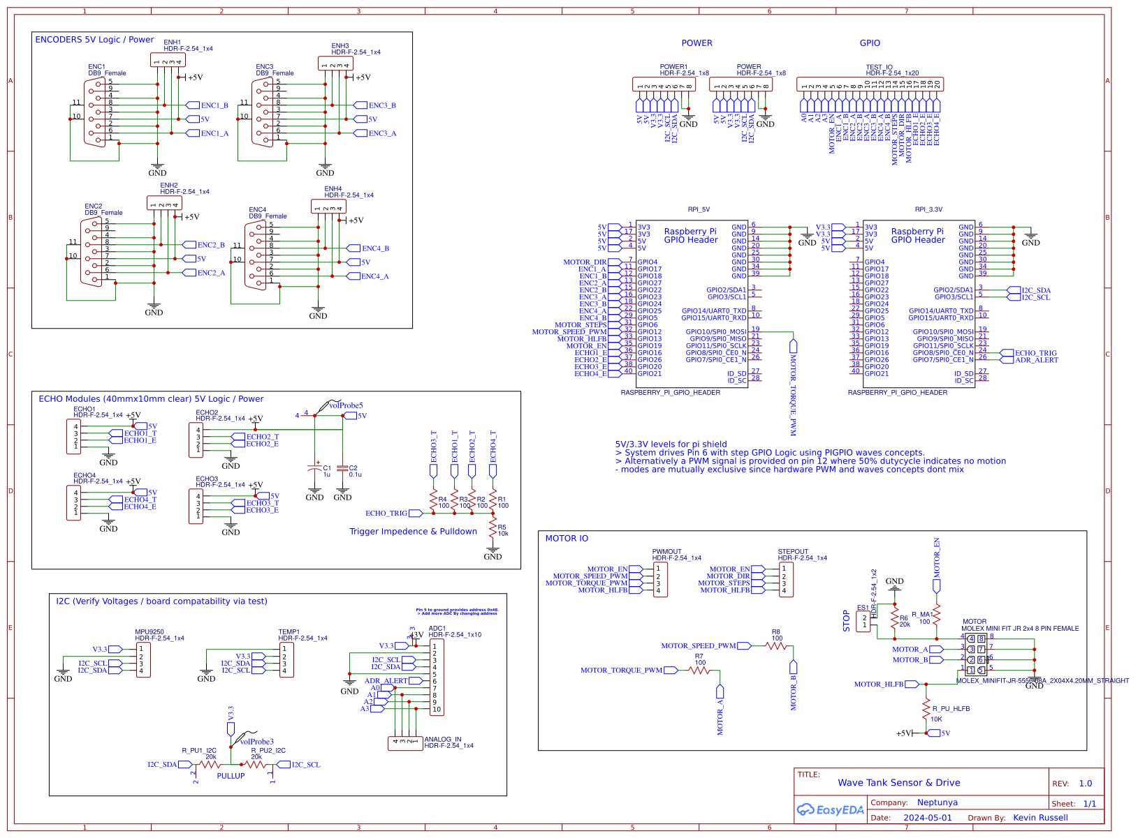
many of the following connectors are standard and can be substituted for altenate methods, ie screw-pins vs headers.
The only connectors that arent standard are the MOLEX / DB9 connectors for motor & encoder IO.

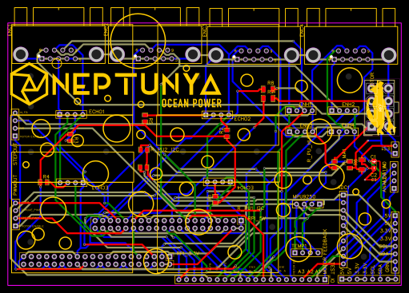

ID | Name | Designator | Footprint | Quantity | Manufacturer Part | Manufacturer | Supplier | Supplier Part | Price
1 | HDR-F-2.54_1x4 | ANALOG_IN,PWMOUT,STEPOUT,MPU9250,ECHO1,ECHO2,ECHO3,ECHO4,ENH1,ENH2,ENH3,ENH4,TEMP1 | HDR-F-2.54_1X4 | 13 |  |  | LCSC | C225501 | 0.07
2 | HDR-F-2.54_1x2 | ES1 | HDR-F-2.54_1X2 | 1 |  |  | LCSC | C49661 | 0.036
3 | MOLEX MINI FIT JR 2x4 8 PIN FEMALE | MOTOR | MOLEX_MINIFIT-JR-5556-08A_2X04X4.20MM_STRAIGHT | 1 |  | Molex
4 | 20k | R6 | R1206 | 1
5 | 100 | R7,R8 | R1206 | 2
6 | 100 | R1,R2,R3,R4,R_MA1 | R0805 | 5
7 | 10k | R5 | R0805 | 1
8 | HDR-F-2.54_1x10 | ADC1 | HDR-F-2.54_1X10 | 1 |  |  | LCSC | C35445 | 0.103
9 | 1u | C1 | CASE-A_3216 | 1
10 | 0.1u | C2 | C0201 | 1
11 | DB9_Female | ENC1,ENC2,ENC3,ENC4 | DSUB-TH_DMR-9S | 4 |  | Ckmtw(灿科盟) | LCSC | C141882 | 0.333
12 | HDR-F-2.54_1x8 | POWER,POWER1 | HDR-F-2.54_1X8 | 2 |  |  | LCSC | C225505 | 0.193
13 | Raspberry Pi GPIO Header | RPI_3.3V,RPI_5V | RASPBERRY_PI_GPIO_HEADER | 2 |  |  |  | undefined
14 | 20k | R_PU1_I2C,R_PU2_I2C | R0805 | 2
15 | 10K | R_PU_HLFB | R0805 | 1
16 | HDR-F-2.54_1x20 | TEST_IO | HDR-F-2.54_1X20 | 1 |  |  | LCSC | C50984 | 0.175

